Pro forma
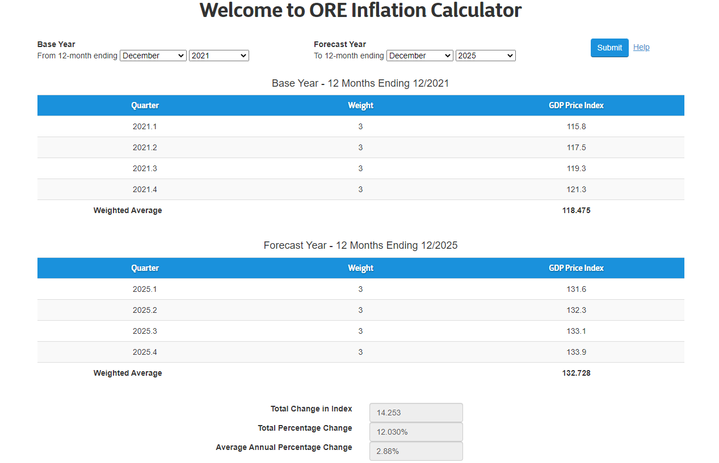
This sheet is the calculation of the pro forma income statement that will be used to determine if a Tier 2 (Maintenance) need exists. This sheet begins with income and expense data that will be completed by the applicant. The income and expense items list reflect the typical items reflected in previous maintenance tier applications received by the Commission; an actual applicants items may vary. The entered data will be adjusted based on the data and information provided on the "General Data Sheet" tab.

Maintenance Tier Application for: |  |  | 0
Application Date |  |  | 0
Maintenance Tier Support Requested ($/MWh) |  |  | $0.00
Historic Period - 12 months ended |  |  | 0
NYISO Zone |  |  | North

 |  |  | To be Completed by Applicant

 |  |  | Historical |  |  |  | Adjusted Historical |  |  | Projected
 |  |  | 2018 | 2019 | 2020 | Average | Normalizing Adjustments | To Go Cost Adjustments | Adjusted Average | 2021 | Staff Adjustment | Adjusted 2021 | 2022 | Staff Adjustment | Adjusted 2022 | 2023 | Staff Adjustment | Adjusted 2023

Generation (MWh) |  |  | - | - | - | - |  |  | - | - |  | - | - |  | - | - |  | -
 |  |  |  |  |  |  |  |  |  |  |  | - |  |  | - |  |  | -
Average Historic Price |  |  | #DIV/0! | #DIV/0! | #DIV/0! |  |  |  |  |  |  | - |  |  | - |  |  | -
Forecasted Energy Price |  |  |  |  |  |  |  |  |  | $0.00 |  | $0.00 | $0.00 |  | $0.00 | $0.00 |  | $0.00
 |  |  |  |  |  |  |  |  |  |  |  | - |  |  | - |  |  | -
Revenue |  |  |  |  |  |  |  |  |  |  |  | - |  |  | - |  |  | -
 | Energy Sales Revenues |  | $0 | $0 | $0 | $0 |  |  | - | $0 |  | $0 | $0 |  | $0 | $0 |  | $0
 | Capacity and Ancillary Service Revenues |  | - | - | - | - |  |  | - |  | - | - |  | - | - |  | - | -
 | Voluntary REC sales |  | - | - | - | - |  |  | - |  |  | - |  |  | - |  |  | -
 | NYSERDA REC Contract |  | - | - | - | - |  |  | - | - |  | - | - |  | - | - |  | -
 | Total Revenue |  | - | - | - | - | - | - | - | - | - | - | - | - | - | - | - | -

 | Other Income |  | - | - | - | - |  |  | - | - |  | - | - | - | - | - | - | -
 |  | Total Income | $0 | $0 | $0 | $0 | - | - | - | $0 | $0 | $0 | $0 | $0 | $0 | $0 | $0 | $0

Expense
 | Fuel |  | - | - | - | - |  |  | - | $0 | $0 | $0 | $0 | $0 | $0 | $0 | $0 | $0
 | Repairs and Maintenance |  | - | - | - | - |  |  | - | - | - | - | - | - | - | - | - | -
 | Supplies and Equipment |  | - | - | - | - |  |  | - | - | - | - | - | - | - | - | - | -
 | Transmission Charges |  | - | - | - | - |  |  | - | - | - | - | - | - | - | - | - | -
 | Environmental, Health and Safety |  | - | - | - | - |  |  | - | - | - | - | - | - | - | - | - | -
 | Testing Requirements |  | - | - | - | - |  |  | - | - | - | - | - | - | - | - | - | -
 | Registrations, Fee and Permits |  | - | - | - | - |  |  | - | - | - | - | - | - | - | - | - | -
 | Compensation and Benefits Expense:
 |  | Direct Labor Salaries and Wages | - | - | - | - |  |  | - | - | - | - | - | - | - | - | - | -
 |  | Allocated Service Company Labor Salaries and Wages (Direct Invoiced) | - | - | - | - |  |  | - | - | - | - | - | - | - | - | - | -
 |  | Contracted Labor Salaries and Wages | - | - | - | - |  |  | - | - | - | - | - | - | - | - | - | -
 |  | Overtime | - | - | - | - |  |  | - | - | - | - | - | - | - | - | - | -
 |  | Incentive Compensation | - | - | - | - |  |  | - | - | - | - | - | - | - | - | - | -
 |  | Payroll Taxes | - | - | - | - |  |  | - | - | - | - | - | - | - | - | - | -
 |  | Worker’s Compensation | - | - | - | - |  |  | - | - | - | - | - | - | - | - | - | -
 |  | Health Insurance | - | - | - | - |  |  | - | - | - | - | - | - | - | - | - | -
 |  | Pension | - | - | - | - |  |  | - | - | - | - | - | - | - | - | - | -
 | General Administrative Expenses:
 |  | Administrative Service Fees | - | - | - | - |  |  | - | - | - | - | - | - | - | - | - | -
 |  | Postage and Shipping Charges | - | - | - | - |  |  | - | - | - | - | - | - | - | - | - | -
 |  | Professional Services | - | - | - | - |  |  | - | - | - | - | - | - | - | - | - | -
 |  | Legal Fees | - | - | - | - | - |  | - | - | - | - | - | - | - | - | - | -
 |  | Bank Service Charges | - | - | - | - |  |  | - | - | - | - | - | - | - | - | - | -
 |  | Government Relations | - | - | - | - |  |  | - | - | - | - | - | - | - | - | - | -
 |  | Utilities (Telephone, Electricity) | - | - | - | - |  |  | - | - | - | - | - | - | - | - | - | -
 |  | Insurance | - | - | - | - |  |  | - | - | - | - | - | - | - | - | - | -
 |  | Travel | - | - | - | - |  |  | - | - | - | - | - | - | - | - | - | -
 |  | Property Taxes (School and County) | - | - | - | - |  |  | - | - | - | - | - | - | - | - | - | -
 |  | Office Equipment, Software and Internet | - | - | - | - |  |  | - | - | - | - | - | - | - | - | - | -
 |  | Office Expenses | - | - | - | - |  |  | - | - | - | - | - | - | - | - | - | -
 |  | Advertising | - | - | - | - |  |  | - | - | - | - | - | - | - | - | - | -
 |  | Dues and Subscriptions | - | - | - | - |  |  | - | - | - | - | - | - | - | - | - | -
 | Other |  | - | - | - | - |  |  | - | - | - | - | - | - | - | - | - | -
 | Interest Expense |  | - | - | - | - |  | - | - | - | - | - | - | - | - | - | - | -
 | Depreciation |  | - | - | - | - |  | - | - | - | - | - | - | - | - | - | - | -
 | Subtotal - Operations and Maintenance Costs |  | $0 | $0 | $0 | $0 | - | - | - | $0 | $0 | $0 | $0 | $0 | $0 | $0 | $0 | $0
 | Contengency Adder (@5% of O&M) |  |  |  |  |  |  |  |  | - | - | - | - | - | - | - | - | -
 | Subtotal - O&M Plus Contingency |  | $0 | $0 | $0 | $0 | $0 | $0 | $0 | $0 | $0 | $0 | $0 | $0 | $0 | $0 | $0 | $0

 | Allocated InterCompany Charges |  |  |  |  |  |  |  |  | - | - | - | - | - | - | - | - | -
 | Going Forward Capital Expenditures |  |  |  |  |  |  |  |  | - | - | - | - | - | - | - | - | -
 |  | Debt Service/Return on Investment - New Cap Ex Only |  |  |  |  |  |  |  | #DIV/0! |  | #DIV/0! | #DIV/0! |  | #DIV/0! | #DIV/0! |  | #DIV/0!
 |  | Depreciation on New Cap Ex Only |  |  |  |  |  |  |  | #DIV/0! |  | #DIV/0! | #DIV/0! |  | #DIV/0! | #DIV/0! |  | #DIV/0!
 |  | Total Expense | $0 | $0 | $0 | $0 | $0 | $0 | $0 | #DIV/0! | $- | #DIV/0! | #DIV/0! | $- | #DIV/0! | #DIV/0! | $- | #DIV/0!

Net Income |  |  | $0 | $0 | $0 | $0 | $0 | $0 | $0 | #DIV/0! | $- | #DIV/0! | #DIV/0! | $- | #DIV/0! | #DIV/0! | $- | #DIV/0! | Average Annual CES Tier 2 Support

Implied maintenance REC required |  |  |  |  |  | $0.00 |  |  | $0.00 |  |  | #DIV/0! |  |  | #DIV/0! |  |  | #DIV/0!

Award Cap |  |  |  |  |  |  |  |  |  |  |  | #REF! |  |  | $0.00 |  |  | $0.00

 | Recommended Award |  |  |  |  |  |  |  |  |  |  | #DIV/0! |  |  | #DIV/0! |  |  | #DIV/0! | #DIV/0!

Notes:
Expenses are inflated using the ORE Calculator, using historical and forecasted GDP price index from the sources that the Commission authorized to use in rate proceedings.
 | For this period the Calculator returns an annual inflation factor of |  |  |  | 2.88%

Weighted Cost of Captial
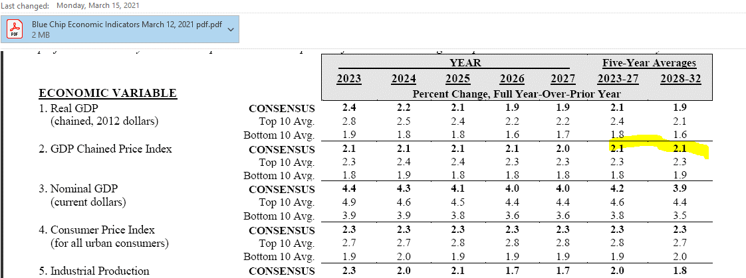
Maintenance Tier Application for: |  |  |  | 0
Application Date |  |  |  | 0
Maintenance Tier Support Requested ($/MWh) |  |  |  | $0.00
Historic Period - 12 months ended |  |  |  | 0
NYISO Zone |  |  |  | North

 | ILLUSTRATIVE WEIGHTED COST OF CAPITAL MODEL *

 |  |  | Capitalization Ratio1 |  | Cost Rate | Weighted After Tax Cost Of Capital |  | Pre-Tax Weighted Cost *
 | Long Term Debt |  | 52.00% | 2 | 3.20% | 1.66% |  | 1.66%
 | Common Equity |  | 48.00% | 5 | 9.00% | 4.32% |  | 5.90% | 6, 7
 |  |  | 100.00% |  |  | 5.98% | 3 | 7.56%

 | Effective Tax Rate |  | 26.14%

 | * This model is designed to developed a generic utility capital structure and will be updated on an annual basis.

 | Update February 2020
 | Federal Tax Rate | 6 | 21.0%
 | State Tax Rate | 6 | 6.5%

 | 1Average authorized capitalization ratios per recent Commission orders.

 | 2 6 Month Average Cost of Debt (see LTD Tab) |  |  |  |  |  |  | 3.20%

 | 3 Nominal rate of return (ROR / EEPS Discount Rate): |  |  |  |  |  |  | 5.98%

 | 4 Long-run inflation rate (see inflation projection below) |  |  |  |  |  |  | 2.40%

 | 5 Proxy Group Return on Equity (ROE) |  |  |  |  |  |  | 9.00%
 | (As of January 2021 and based on a multiple rate year agreements)

 | Real Discount Rate Calculation
 | Real discount rate = [(1+WACC)/(1+.LRIR)]-1 = |  |  |  |  |  |  | 3.50%
 |  | RPS Discount Rate: |  |  |  |  |  | 3.60%

 | 6 Gross-up for Taxes reflects an updated 21% Federal Income rate and 7.25% State Income Tax rate.
 | 7 Adjustment to remove the impact of inflation.

